Muxes
Counter (0-5) |  |  | Segments of 16-seg display. 1 means that segment should be on at the corresponding counter value. Matching colors means segments are always on at the same times.
a | b | c | A | B | C | D | E | F | G | H | K | M | N | P | R | S | T | U
0 | 0 | 0 | 1 |  | 0 | 1 | 1 |  | 1 |  | 0 | 0 | 0 |  |  |  |  | 0
0 | 0 | 1 | 1 |  | 0 | 0 | 1 |  | 1 |  | 0 | 0 | 0 |  |  |  |  | 1
0 | 1 | 0 | 0 |  | 1 | 1 | 0 |  | 1 |  | 1 | 0 | 0 |  |  |  |  | 0
0 | 1 | 1 | 1 |  | 0 | 0 | 0 |  | 0 |  | 0 | 1 | 0 |  |  |  |  | 0
1 | 0 | 0 | 1 |  | 0 | 0 | 1 |  | 1 |  | 0 | 0 | 0 |  |  |  |  | 1
1 | 0 | 1 | 0 |  | 0 | 0 | 0 |  | 0 |  | 1 | 0 | 1 |  |  |  |  | 0

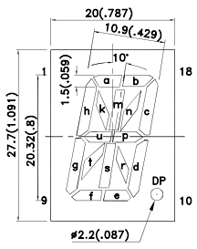
 |  |  |  |  | Segment | Minimized Logic
 |  |  |  |  | A and B | !b!c+!ac
 |  |  |  |  | C | !ab!c
 |  |  |  |  | D | !a!c
 |  |  |  |  | E and F and P | !a!b+!b!c
 |  |  |  |  | G and H | !a!b+!a!c+!b!c
 |  |  |  |  | K and R | !ab!c+a!bc
 |  |  |  |  | M and S | !abc
 |  |  |  |  | N and T | a!bc
 |  |  |  |  | U | !a!bc+a!b!c

